Picture
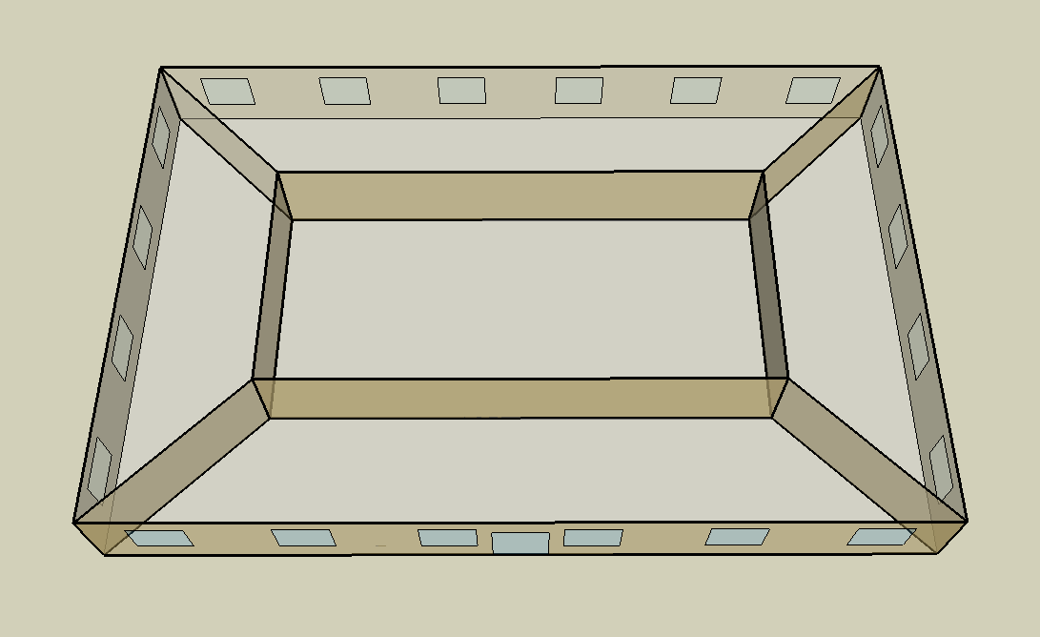
DOE Commercial Building Benchmark - Small Office

Electricity
 | Cooling | Interior Lighting | Exterior Lighting | Interior Equipment | Fans
Miami | 19,200.00 | 15,747.22 | 4,222.22 | 18,275.00 | 10,916.67
Houston | 12,791.67 | 15,747.22 | 4,219.44 | 18,275.00 | 10,622.22
Phoenix | 13,986.11 | 15,747.22 | 4,219.44 | 18,275.00 | 11,208.33
Atlanta | 6,838.89 | 15,747.22 | 4,219.44 | 18,275.00 | 9,852.78
Los Angeles | 3,716.67 | 15,747.22 | 4,216.67 | 18,275.00 | 7,938.89
Las Vegas | 7,747.22 | 15,747.22 | 4,213.89 | 18,275.00 | 9,091.67
San Francisco | 1,422.22 | 15,747.22 | 4,216.67 | 18,275.00 | 7,888.89
Baltimore | 5,569.44 | 15,747.22 | 4,213.89 | 18,275.00 | 10,922.22
Albuquerque | 4,741.67 | 15,747.22 | 4,216.67 | 18,275.00 | 9,997.22
Seattle | 1,205.56 | 15,747.22 | 4,208.33 | 18,275.00 | 8,383.33
Chicago | 4,277.78 | 15,747.22 | 4,216.67 | 18,275.00 | 11,450.00
Boulder | 2,936.11 | 15,747.22 | 4,213.89 | 18,275.00 | 10,944.44
Minneapolis | 3,744.44 | 15,747.22 | 4,213.89 | 18,275.00 | 12,138.89
Helena | 1,977.78 | 15,747.22 | 4,211.11 | 18,275.00 | 11,427.78
Duluth | 1,588.89 | 15,747.22 | 4,208.33 | 18,275.00 | 12,222.22
Fairbanks | 1,411.11 | 15,747.22 | 4,183.33 | 18,275.00 | 15,288.89

Gas
 | Heating | Water Systems
Miami | 280.00 | 10,690.00
Houston | 21,210.00 | 11,090.00
Phoenix | 12,320.00 | 10,860.00
Atlanta | 29,280.00 | 11,470.00
Los Angeles | 3,030.00 | 11,400.00
Las Vegas | 16,190.00 | 11,130.00
San Francisco | 19,460.00 | 11,730.00
Baltimore | 59,220.00 | 11,770.00
Albuquerque | 35,660.00 | 11,720.00
Seattle | 56,870.00 | 11,930.00
Chicago | 90,690.00 | 12,040.00
Boulder | 60,930.00 | 12,030.00
Minneapolis | 123,550.00 | 12,270.00
Helena | 98,880.00 | 12,310.00
Duluth | 151,840.00 | 12,650.00
Fairbanks | 273,760.00 | 13,100.00

EUI
 | Cooling (elec) | Interior Lighting (elec) | Exterior Lighting (elec) | Interior Equipment (elec) | Fans (elec) | Heating (gas) | Water Systems (gas)
Miami | 135.22 | 110.90 | 29.74 | 128.71 | 76.88 | 0.55 | 20.91
Houston | 90.09 | 110.90 | 29.72 | 128.71 | 74.81 | 41.49 | 21.70
Phoenix | 98.50 | 110.90 | 29.72 | 128.71 | 78.94 | 24.10 | 21.25
Atlanta | 48.16 | 110.90 | 29.72 | 128.71 | 69.39 | 57.28 | 22.44
Los Angeles | 26.18 | 110.90 | 29.70 | 128.71 | 55.91 | 5.93 | 22.30
Las Vegas | 54.56 | 110.90 | 29.68 | 128.71 | 64.03 | 31.67 | 21.77
San Francisco | 10.02 | 110.90 | 29.70 | 128.71 | 55.56 | 38.07 | 22.95
Baltimore | 39.22 | 110.90 | 29.68 | 128.71 | 76.92 | 115.85 | 23.03
Albuquerque | 33.39 | 110.90 | 29.70 | 128.71 | 70.41 | 69.76 | 22.93
Seattle | 8.49 | 110.90 | 29.64 | 128.71 | 59.04 | 111.26 | 23.34
Chicago | 30.13 | 110.90 | 29.70 | 128.71 | 80.64 | 177.42 | 23.55
Boulder | 20.68 | 110.90 | 29.68 | 128.71 | 77.08 | 119.20 | 23.53
Minneapolis | 26.37 | 110.90 | 29.68 | 128.71 | 85.49 | 241.71 | 24.00
Helena | 13.93 | 110.90 | 29.66 | 128.71 | 80.48 | 193.44 | 24.08
Duluth | 11.19 | 110.90 | 29.64 | 128.71 | 86.08 | 297.05 | 24.75
Fairbanks | 9.94 | 110.90 | 29.46 | 128.71 | 107.68 | 535.57 | 25.63

Water
 | Total Building | Water for Electricity (m3)
Miami | 17.63 | 36.22
Houston | 17.63 | 100.33
Phoenix | 17.63 | 1,884.35
Atlanta | 17.63 | 343.00
Los Angeles | 17.63 | 876.04
Las Vegas | 17.63 | 1,511.02
San Francisco | 17.63 | 834.93
Baltimore | 17.63 | 12.43
Albuquerque | 17.63 | 240.56
Seattle | 17.63 | 488.56
Chicago | 17.63 | 83.72
Boulder | 17.63 | 236.65
Minneapolis | 17.63 | 83.96
Helena | 17.63 | 3,271.04
Duluth | 17.63 | 80.75
Fairbanks | 17.63 | 56.10

Carbon
 | Carbon Equivalent (kg)
Miami | 18,946.30
Houston | 21,149.20
Phoenix | 19,567.91
Atlanta | 17,657.27
Los Angeles | 6,091.16
Las Vegas | 19,069.35
San Francisco | 6,119.77
Baltimore | 16,049.14
Albuquerque | 22,495.56
Seattle | 4,723.64
Chicago | 30,624.06
Boulder | 22,605.35
Minneapolis | 20,973.75
Helena | 20,875.94
Duluth | 20,781.04
Fairbanks | 20,622.77

LtgSch
Lighting Schedules
 | WD | Sat | Sun, Hol, Other
 | 0.05 | 0.05 | 0.05
 | 0.05 | 0.05 | 0.05
 | 0.05 | 0.05 | 0.05
 | 0.05 | 0.05 | 0.05
 | 0.05 | 0.05 | 0.05
 | 0.1 | 0.05 | 0.05
 | 0.1 | 0.1 | 0.05
 | 0.3 | 0.1 | 0.05
 | 0.9 | 0.3 | 0.05
 | 0.9 | 0.3 | 0.05
 | 0.9 | 0.3 | 0.05
 | 0.9 | 0.3 | 0.05
 | 0.9 | 0.15 | 0.05
 | 0.9 | 0.15 | 0.05
 | 0.9 | 0.15 | 0.05
 | 0.9 | 0.15 | 0.05
 | 0.9 | 0.15 | 0.05
 | 0.5 | 0.05 | 0.05
 | 0.3 | 0.05 | 0.05
 | 0.3 | 0.05 | 0.05
 | 0.2 | 0.05 | 0.05
 | 0.2 | 0.05 | 0.05
 | 0.1 | 0.05 | 0.05
 | 0.05 | 0.05 | 0.05

OccSch
Occupancy Schedules
 | WD | Sat | Sun, Hol, Other
 | 0 | 0 | 0
 | 0 | 0 | 0
 | 0 | 0 | 0
 | 0 | 0 | 0
 | 0 | 0 | 0
 | 0 | 0 | 0
 | 0.1 | 0.1 | 0
 | 0.2 | 0.1 | 0
 | 0.95 | 0.3 | 0
 | 0.95 | 0.3 | 0
 | 0.95 | 0.3 | 0
 | 0.95 | 0.3 | 0
 | 0.5 | 0.1 | 0
 | 0.95 | 0.1 | 0
 | 0.95 | 0.1 | 0
 | 0.95 | 0.1 | 0
 | 0.95 | 0.1 | 0
 | 0.3 | 0 | 0
 | 0.1 | 0 | 0
 | 0.1 | 0 | 0
 | 0.05 | 0 | 0
 | 0.05 | 0 | 0
 | 0.05 | 0 | 0
 | 0.05 | 0 | 0

EqpSch
Equipment Schedules
 | WD | Sat | Sun, Hol, Other
 | 0.4 | 0.3 | 0.3
 | 0.4 | 0.3 | 0.3
 | 0.4 | 0.3 | 0.3
 | 0.4 | 0.3 | 0.3
 | 0.4 | 0.3 | 0.3
 | 0.4 | 0.3 | 0.3
 | 0.4 | 0.4 | 0.3
 | 0.4 | 0.4 | 0.3
 | 0.9 | 0.5 | 0.3
 | 0.9 | 0.5 | 0.3
 | 0.9 | 0.5 | 0.3
 | 0.9 | 0.5 | 0.3
 | 0.8 | 0.35 | 0.3
 | 0.9 | 0.35 | 0.3
 | 0.9 | 0.35 | 0.3
 | 0.9 | 0.35 | 0.3
 | 0.9 | 0.35 | 0.3
 | 0.5 | 0.3 | 0.3
 | 0.4 | 0.3 | 0.3
 | 0.4 | 0.3 | 0.3
 | 0.4 | 0.3 | 0.3
 | 0.4 | 0.3 | 0.3
 | 0.4 | 0.3 | 0.3
 | 0.4 | 0.3 | 0.3

HeatSch
Heating Set Point Schedules
 | WD | Sat | WinterDesign
 | 15.6 | 15.6 | 21
 | 15.6 | 15.6 | 21
 | 15.6 | 15.6 | 21
 | 15.6 | 15.6 | 21
 | 15.6 | 15.6 | 21
 | 21 | 15.6 | 21
 | 21 | 21 | 21
 | 21 | 21 | 21
 | 21 | 21 | 21
 | 21 | 21 | 21
 | 21 | 21 | 21
 | 21 | 21 | 21
 | 21 | 21 | 21
 | 21 | 21 | 21
 | 21 | 21 | 21
 | 21 | 21 | 21
 | 21 | 21 | 21
 | 21 | 15.6 | 21
 | 21 | 15.6 | 21
 | 15.6 | 15.6 | 21
 | 15.6 | 15.6 | 21
 | 15.6 | 15.6 | 21
 | 15.6 | 15.6 | 21
 | 15.6 | 15.6 | 21

CoolSch
Cooling Set Point Schedules
 | WD, SummerDesign | Sat | Sun, Hol, Other
 | 30 | 30 | 30
 | 30 | 30 | 30
 | 30 | 30 | 30
 | 30 | 30 | 30
 | 30 | 30 | 30
 | 30 | 30 | 30
 | 24 | 24 | 30
 | 24 | 24 | 30
 | 24 | 24 | 30
 | 24 | 24 | 30
 | 24 | 24 | 30
 | 24 | 24 | 30
 | 24 | 24 | 30
 | 24 | 24 | 30
 | 24 | 24 | 30
 | 24 | 24 | 30
 | 24 | 24 | 30
 | 24 | 24 | 30
 | 24 | 30 | 30
 | 24 | 30 | 30
 | 24 | 30 | 30
 | 24 | 30 | 30
 | 30 | 30 | 30
 | 30 | 30 | 30

